Sheet1
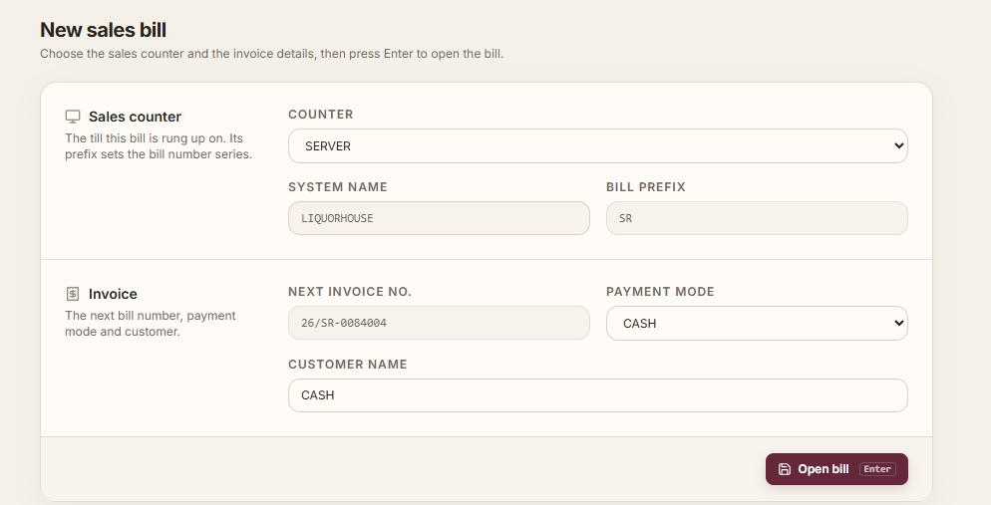
 | eVLQMS Web Points

1 | If more than 2 mobile numbers are entered, it is not possible to save.

2 | Excise Phone Number field does not exist in Windows version but is showing in Web version.
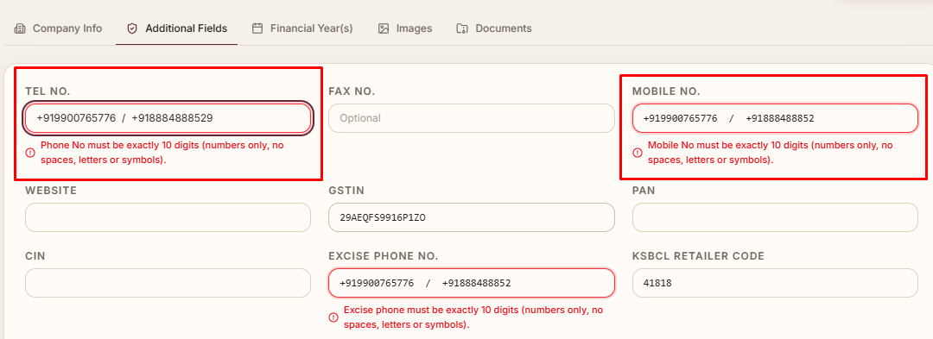

3 | New fields added to Company Master via Doc Designer are not appearing in Web.

4 | Navigation options required in Item Master: Move First, Move Last, Move Previous (Backward), and Move Next (Forward).

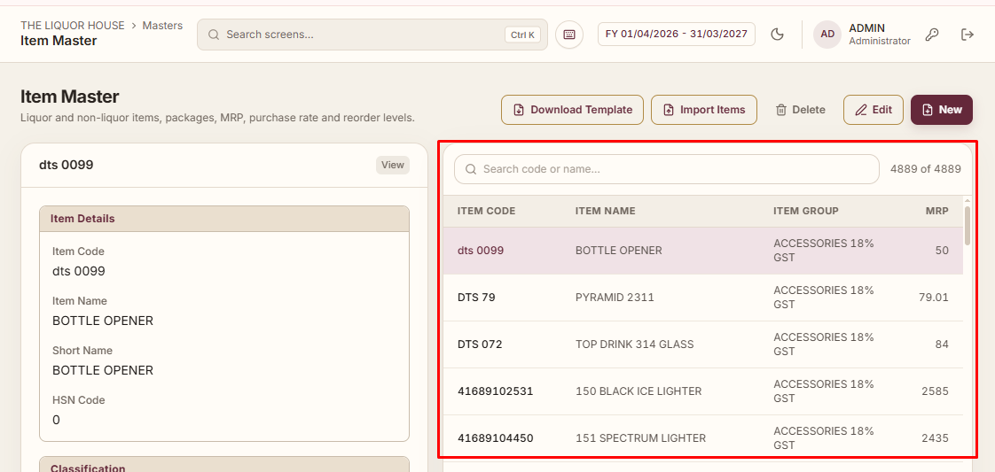

5 | In Sales Invoice, item selection list should be displayed in the same order as in the Windows version.
6 | In Sales Invoice, change the field label from 'Rate' to 'MRP'.
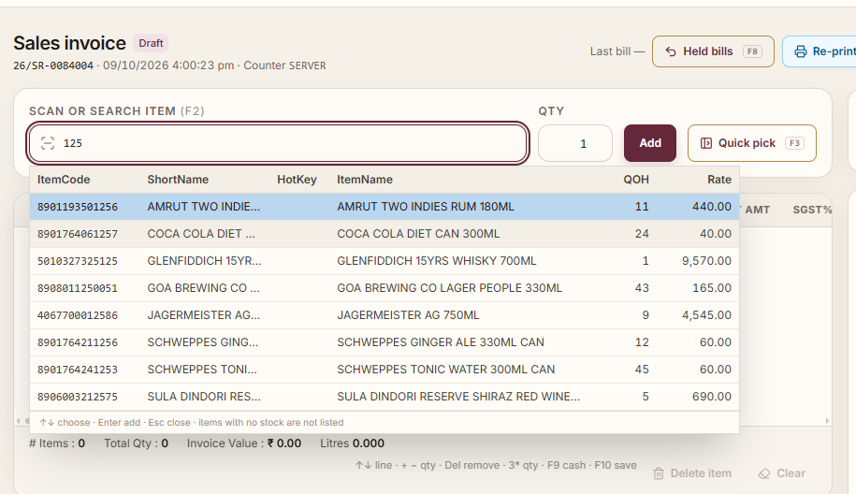
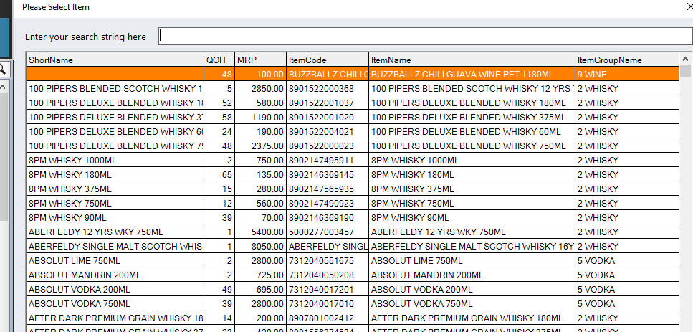

7 | Customer selection option is not appearing in Sales Invoice.

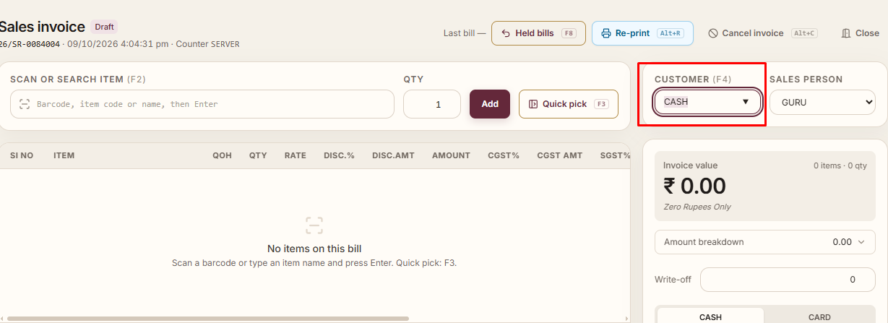

8 | Show a confirmation popup message when removing an item in Sales Invoice.

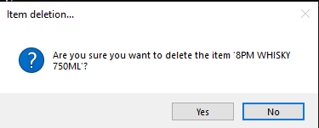

9 | Cancelled Invoice bill list should be displayed in Sales Invoice.

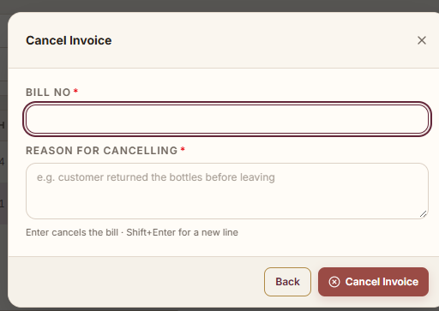

10 | In Sales Invoice, while adding an item, Item Name/Package/UOM is displaying twice correct that one

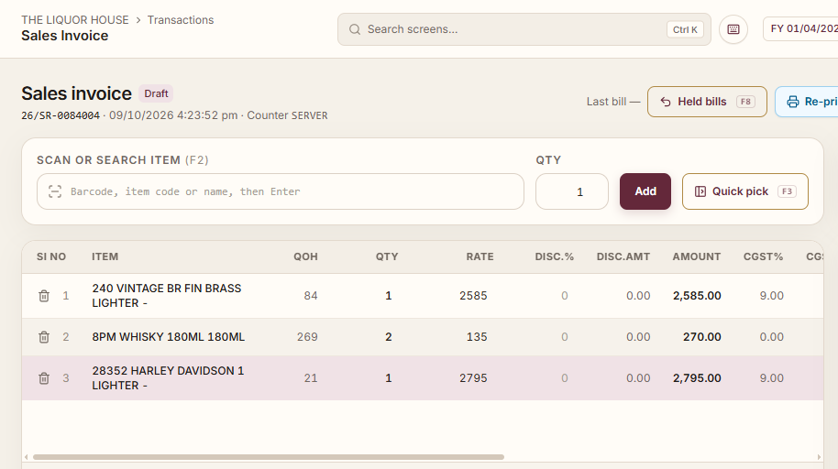

15 | When opening Sales Invoice, the System Name should auto-fetch from the Windows system (e.g., CLIENT-PC) instead of manual entry.
16 | When the software is installed on a new system, opening Sales Invoice prompts to create a Sales Counter.

